גיליון1
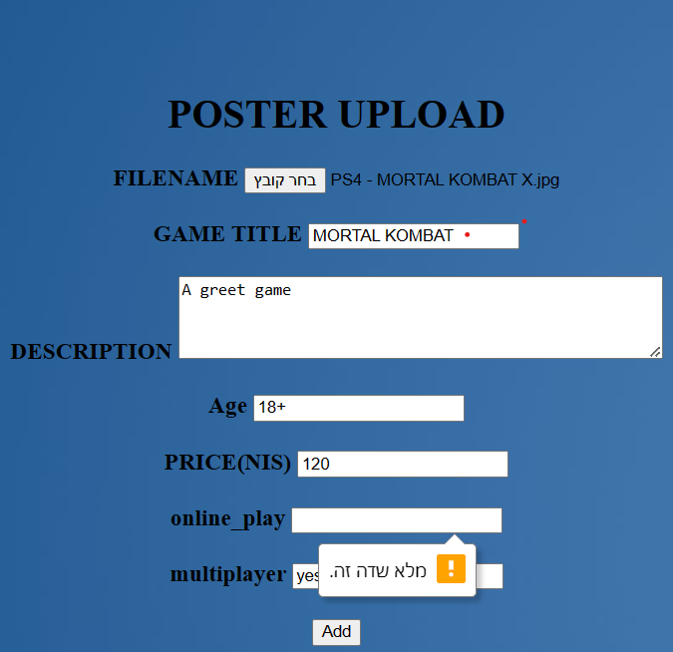
Bugs
Bug title | discription | reporter | severity | poriority | reproducibility | testing enviroment | Attachment
Adding a game with miss information | access to the web page and press to the add game button fill the information without a box of online game press to the add game in the end of page adding a game with miss information | Abeer Affan | high | high | All the attemps | In my computer (specialy in CHROME)


the same person want to add comment | choice a game to add comment , then the person that have a comment before add a new comment | Abeer Affan | high | high | All the attemps | In my computer (specialy in CHROME)

